Supporting Evidence
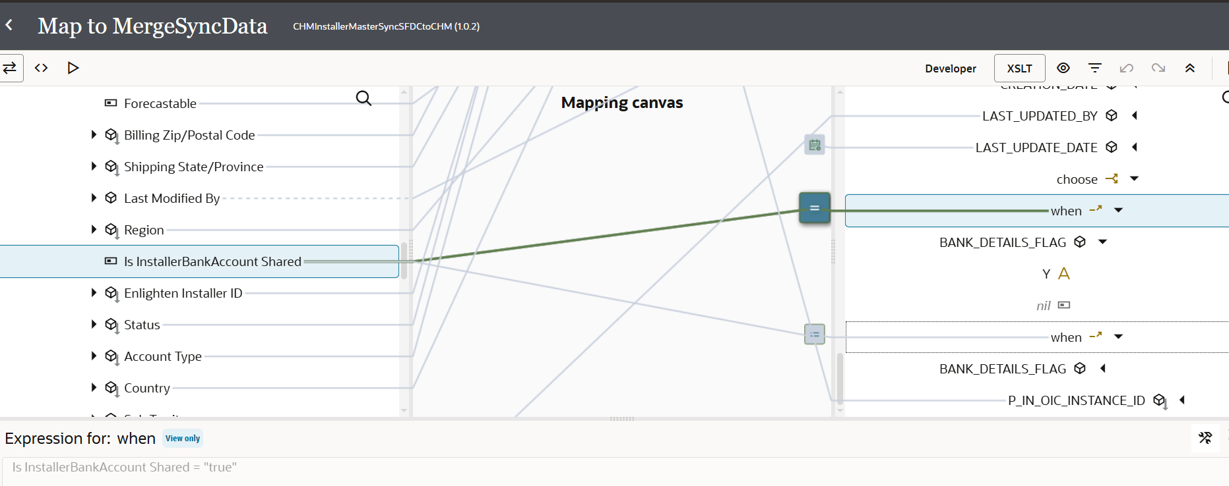
How to submit integration
Sr Num | Instruction
1 | Search the Integration by entering the integration Name in Search text box

2 | Click on Run button (visible after hovering on status) and then click on RUN

3 | On Run dialog click RUN

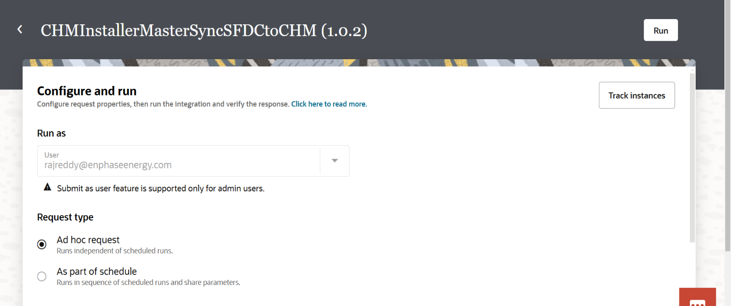

Tracking the Integration
Sr Num | Instruction
1 | After Submitting the Integration Run and Instance Id will be shown. Click on the Instance Id to view the integration run

2 | Integration run can also be tracked by clicking on Track Instances

3 | After clicking on Track Instances it will navigate to Tracking screen where we can see the last run of the integration

Integration is Not Enabled
Sr Num | Instruction
1 | Search with the Integration Identifier in CHM Application
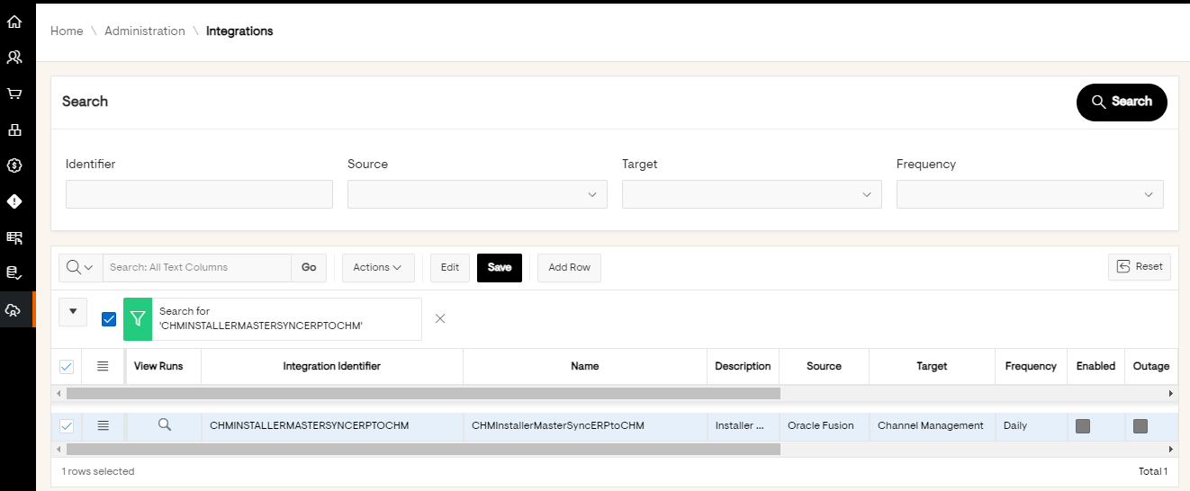

2 | Below is the run

3 | Below is the Integration Flow

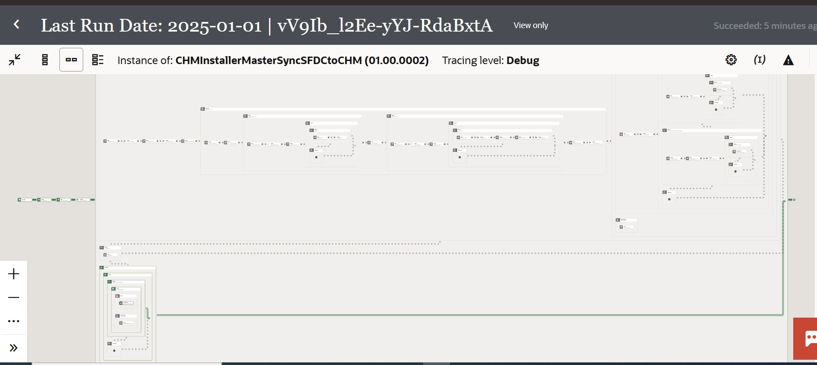

4 | Email Notification will be received
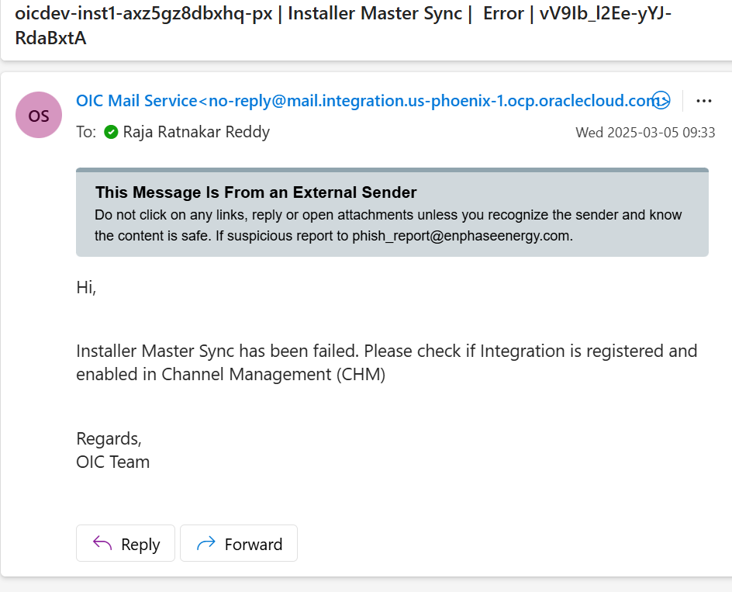

Integration is Enabled and Outage enabled
Sr Num | Instruction
1 | Search with the Integration Identifier in CHM Application
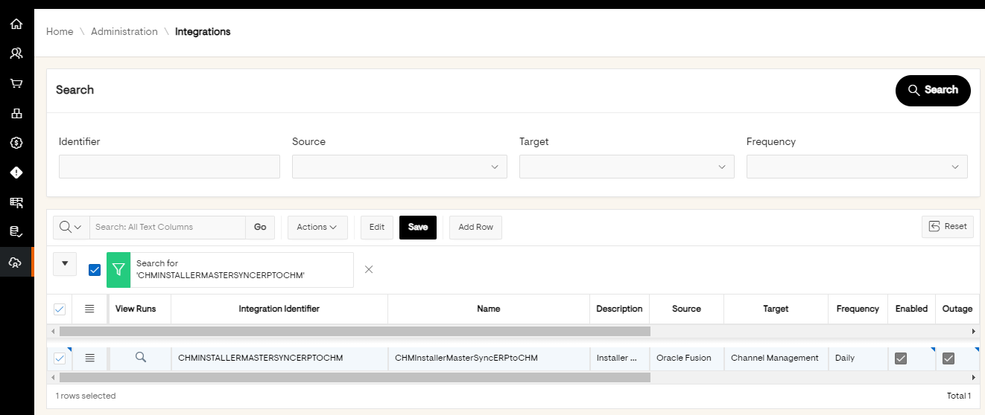

2 | Below is the run

3 | Below is the Integration Flow

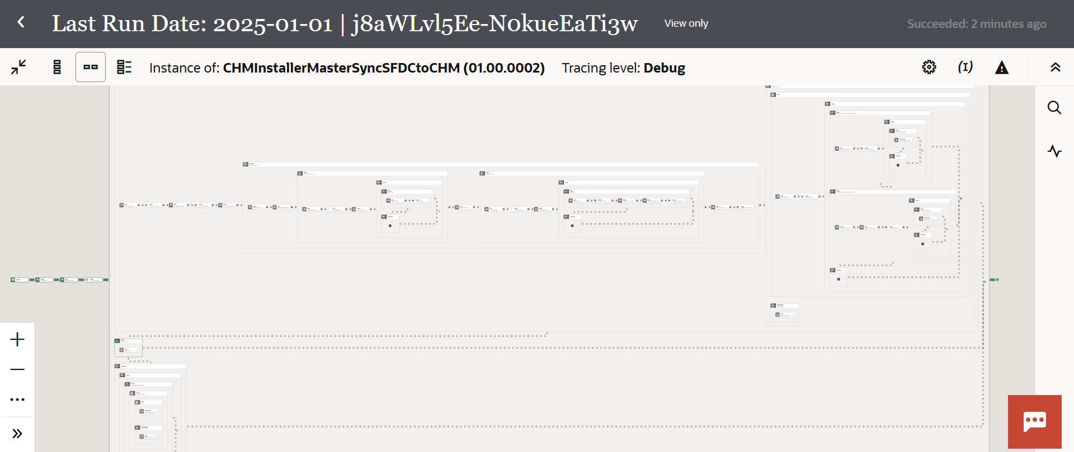

Integration is Enabled and Outage not enabled and No Data to process
Sr Num | Instruction
1 | Search with the Integration Identifier in CHM Application


2 | Below is the run

3 | Below is the Integration Flow

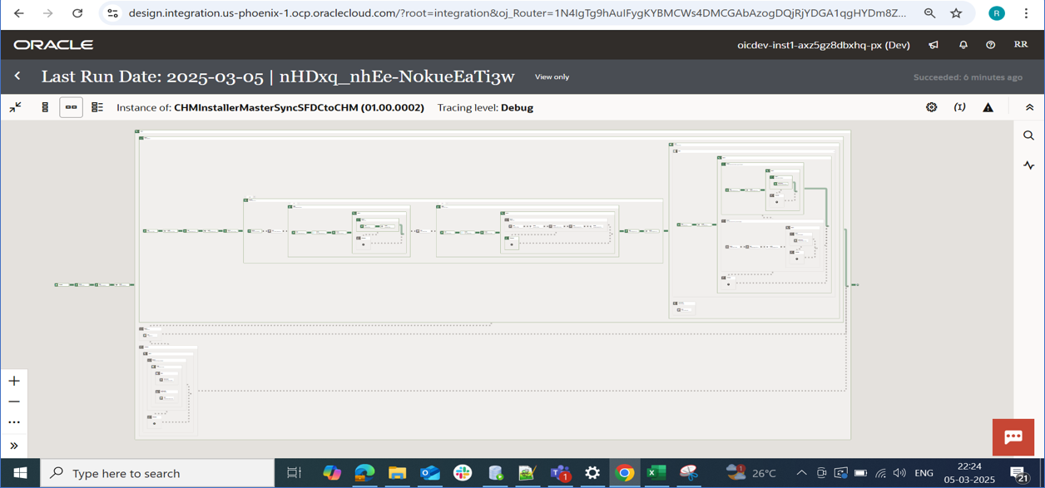

4 | Email Notification will be received
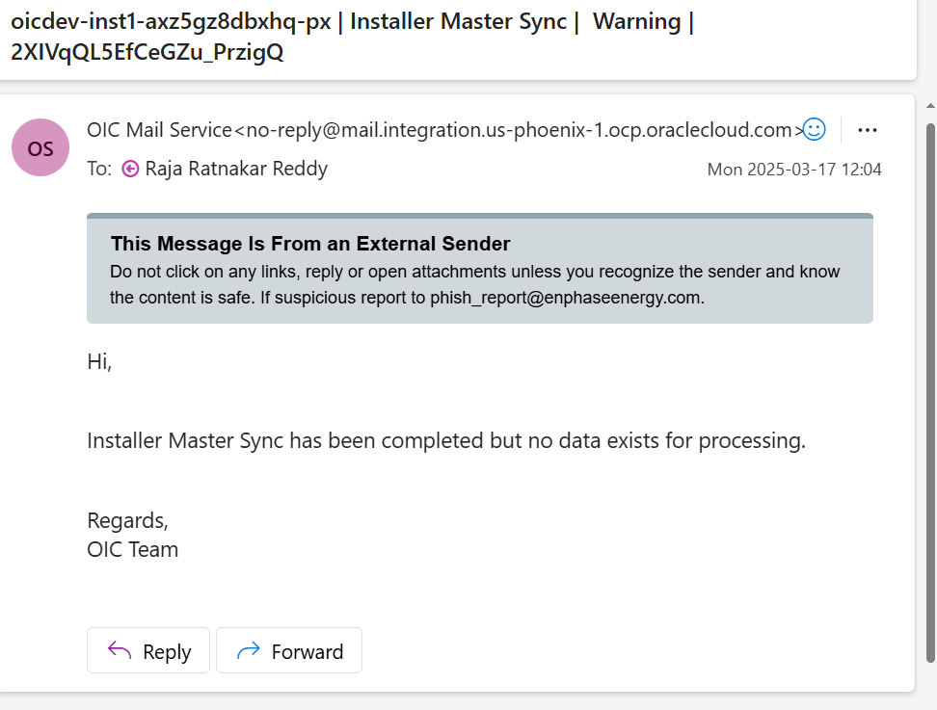

Integration is Enabled and Outage not enabled and Sync data to DB tables from Fusion
Sr Num | Instruction
1 | Search with the Integration Identifier in CHM Application

2 | Below is the run

3 | Below is the Integration Flow
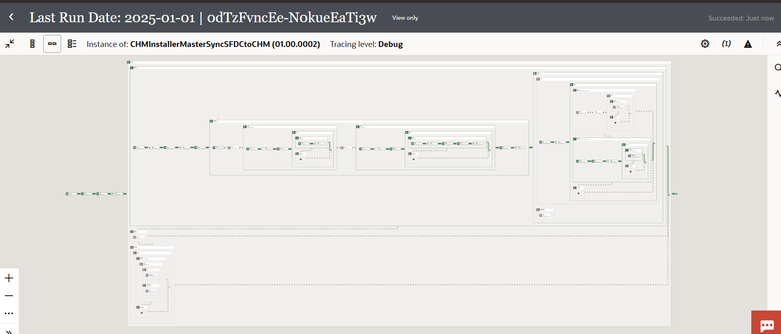

4 | Email Notification will be received

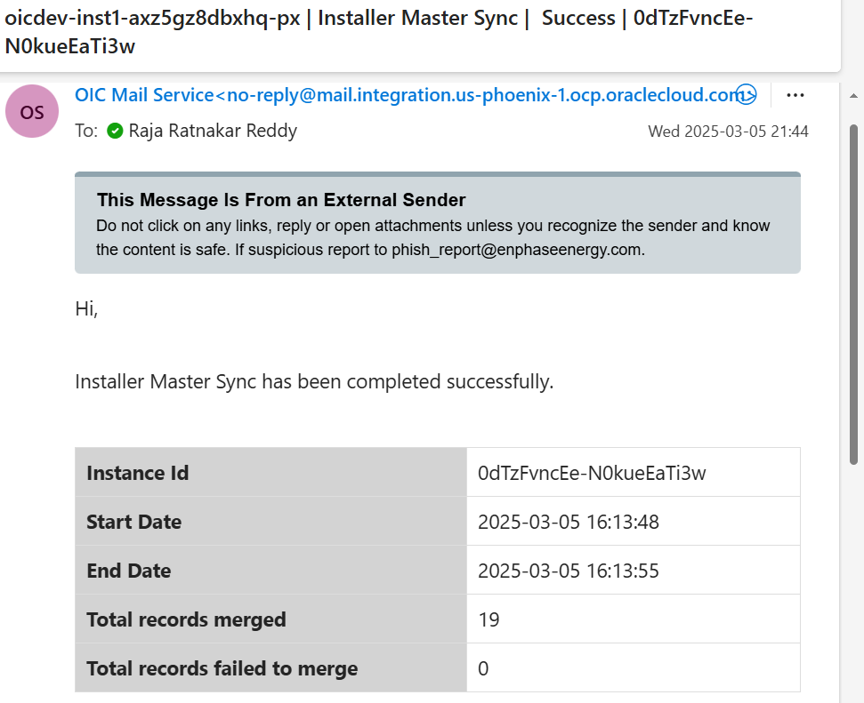

5 | Data Table Before Integration Run

6 | Data Table After Integration Run
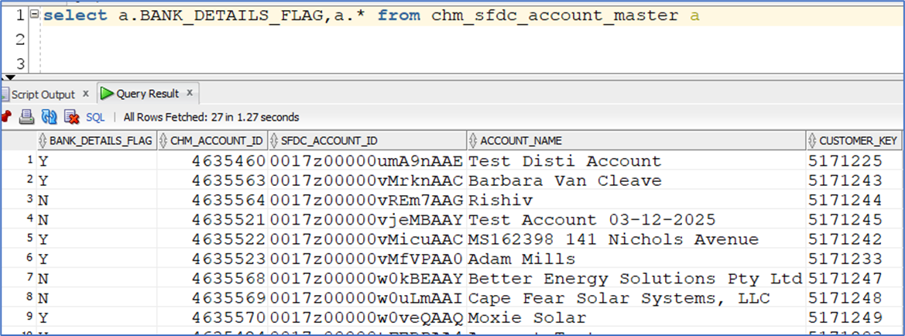

Un-expected Exception
Sr Num | Instruction
1 | In case of any unexpected error integration will be failed

2 | In case of any unexpected error JIRA ticket will be created or updated and notification will be sent

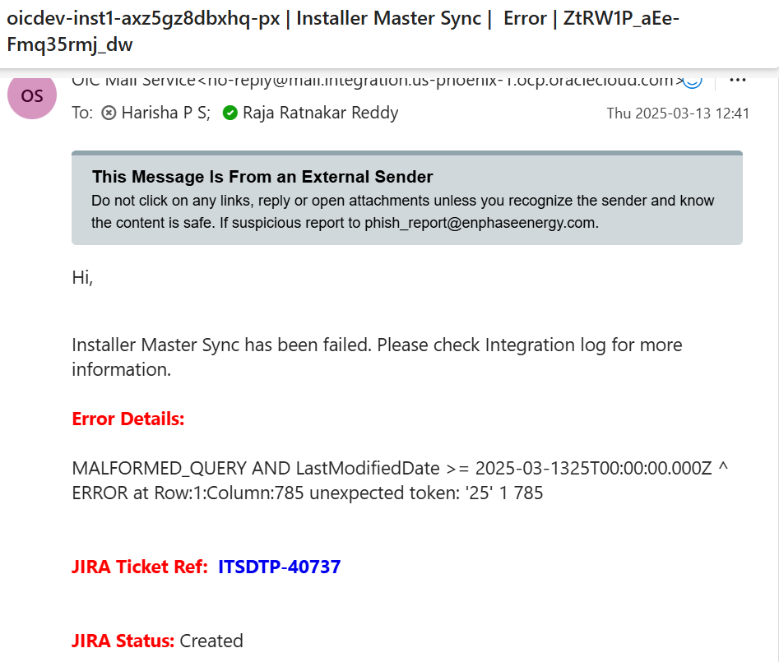

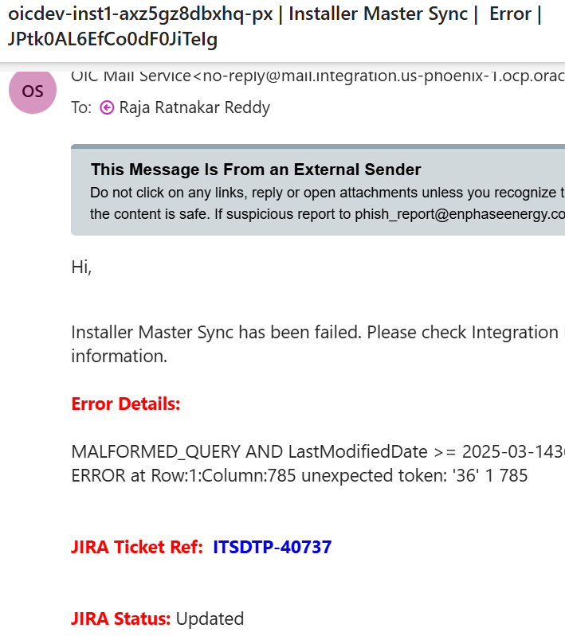

New Field Bank_Account_Shared

